Pinouts
Module | Component | Interface | Pinout
Microcontroller | STM32F1
RF module | nRF24L01 | SPI interface | 6 pins (SCK, MOSI, MISO, CSN, CE, IRQ)
Sensor | DHT11 | one-wire bidirectional interface (GPIO) | 3 pins (VCC, GND, Data_out)
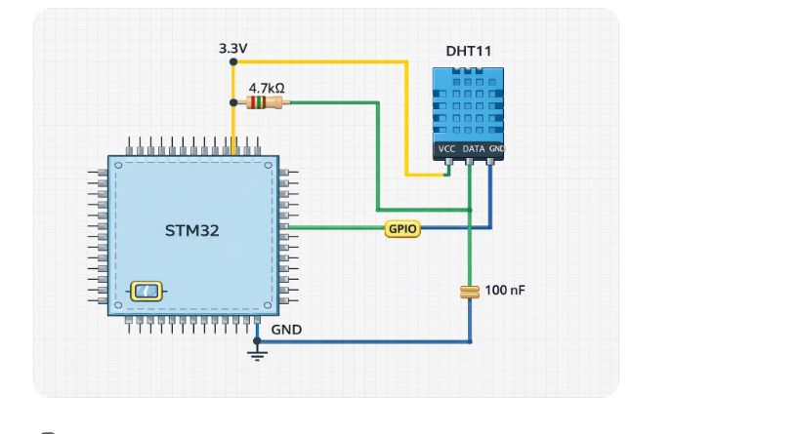
Fan |  | GPIO+PWM | 2 pins
LCD | Additional I2C converter support | I2C | 14 pins (VSS, GND, VO, RS, R/W, E, D0-D7) --> 4 pins (VCC, GND, SDA, SCL)

